Summary
ICT Bank Network Project

Project Title

PLAN CREATED BY :

START DATE : |  | 7.April. 2023

END DATE : |  | 28.April. 2023

 |  |  |  |  |  |  | Project Summary

 | Summary
 |  |  |  |  |  |  |  | 7.April. 2023
 | Our network project aimed to upgrade the network infrastructure for ICT Corporation to improve security, reliability, and efficiency. We began by creating a detailed topology diagram that depicted the connections between all network components, including servers, switches, routers, load balancers,and firewalls. We then created a rack diagram to visualize the physical placement of devices in each layer. Based on this diagram, we designed a physical topology that provided a clear layout of all hardware components and their connections. We also implemented a hyperconverged infrastructure (HCI) solution that reduced complexity and increased scalability, allowing for easy management of the network. Additionally, we installed a Fortinet firewall and DHCP server to increase network security and automate IP address assignment. We also implemented VLANs to separate network traffic and an IP addressing scheme to segregate network traffic and improve network performance. To manage our network devices in these topologies, we implemented a network management system that enabled us to monitor and configure the devices remotely. We use MPLS to connect other sites as a primary path and IPsec VPN via Fortigate Firewall as a secondary path. The result was a secure, reliable, and efficient network infrastructure that has improved the overall productivity and communication of ICT Corporation's employees.
 |  |  |  |  |  |  |  | 28.April. 2023

 |  |  |  |  |  |  | Project Migration

 | Migration

 | In addition to migration hardware devices on network as a service (NaaS), our company is committed to delivering reliable and efficient migration solutions for organizations over the next 5 years. Our NaaS offerings will provide organizations with the flexibility and scalability to meet their evolving network infrastructure needs. Our data migration services will enable organizations to seamlessly transfer their data from their existing network infrastructure to a new infrastructure without any data loss or downtime. Additionally, we will provide integration services to ensure that the new network infrastructure is seamlessly integrated with existing systems and devices, eliminating any potential issues or disruptions. We will also provide data backup and disaster recovery services to ensure that our customers' data is always safe and secure. Other services we will provide as part of our NaaS offerings include network monitoring, troubleshooting, and optimization services to ensure that our customers' networks are always performing at their best. Our team of experienced network engineers will be available 24/7 to provide support and assistance to our customers whenever they need it. In addition, we will continue to invest in the latest technologies and innovations to ensure that our NaaS offerings remain at the forefront of the industry.

 |  |  |  |  |  |  | Project Operation

 | Operation

 | Our network operation process for project as a service involves several key steps to ensure that network changes are made efficiently and with minimal disruption. Change requests are submitted to our team of experienced network engineers, who will review the request and assess its impact on the network infrastructure. We will then develop a detailed method of procedure (MOP) to implement the change in a controlled environment, minimizing any potential disruption to project operations. During the implementation, we will closely monitor the project for any issues and track them using an issue tracker, allowing us to quickly address any problems that arise. If necessary, we will have a rollback plan in place to quickly revert back to the previous state in the event of any issues. Our team will also conduct thorough testing to ensure that the changes have been properly implemented and have not caused any unforeseen issues. Overall, our network operation process for the project will be designed to deliver maximum efficiency and reliability and minimize any potential disruptions to our infrastructure network operations.

 |  |  |  |  |  |  | Project Goal

 | Goal

 | Our goal is to be a trusted partner to our customers and help them achieve their network infrastructure goals over the next 5 years and beyond.

 |  |  |  | Project Tasks

 | Tasks

 | NAME |  | START DATE |  | END DATE | REMARK

 | Summary |  | 8.April. 2023 |  | 18.April. 2023

 | PHYSICAL TOPOLOGY |  | 9.April. 2023 |  | 18.April. 2023

 | LOGICAL TOPOLOGY |  | 11.April. 2023 |  | 18.April. 2023

 | RACK DIAGRAM |  | 12.April. 2023 |  | 18.April. 2023

 | DEVICE NAMING |  | 12.April. 2023 |  | 18.April. 2023

 | VLAN INFORMATION |  | 13.April. 2023 |  | 18.April. 2023

 | DHCP INFORMATION |  | 14.April. 2023 |  | 18.April. 2023

 | PHYSICAL PORT ASSIGNMENT |  | 15.April. 2023 |  | 18.April. 2023

 | SOFTWARE VERSION |  | 15.April. 2023 |  | 18.April. 2023

 | PRODUCT LISTS |  | 16.April. 2023 |  | 18.April. 2023

 | CREDENTIALS |  | 16.April. 2023 |  | 18.April. 2023

 | IP PLANNING |  | 17.April. 2023 |  | 18.April. 2023

 | EXISTING DEVICE LIST |  | 18.April. 2023 |  | 18.April. 2023

 | CHANGE LOG |  | 17.April. 2023 |  | 28.April. 2023

 | WIRELESS INFORMATION |  | 21.April. 2023 |  | 21.April. 2023

Logical Topology
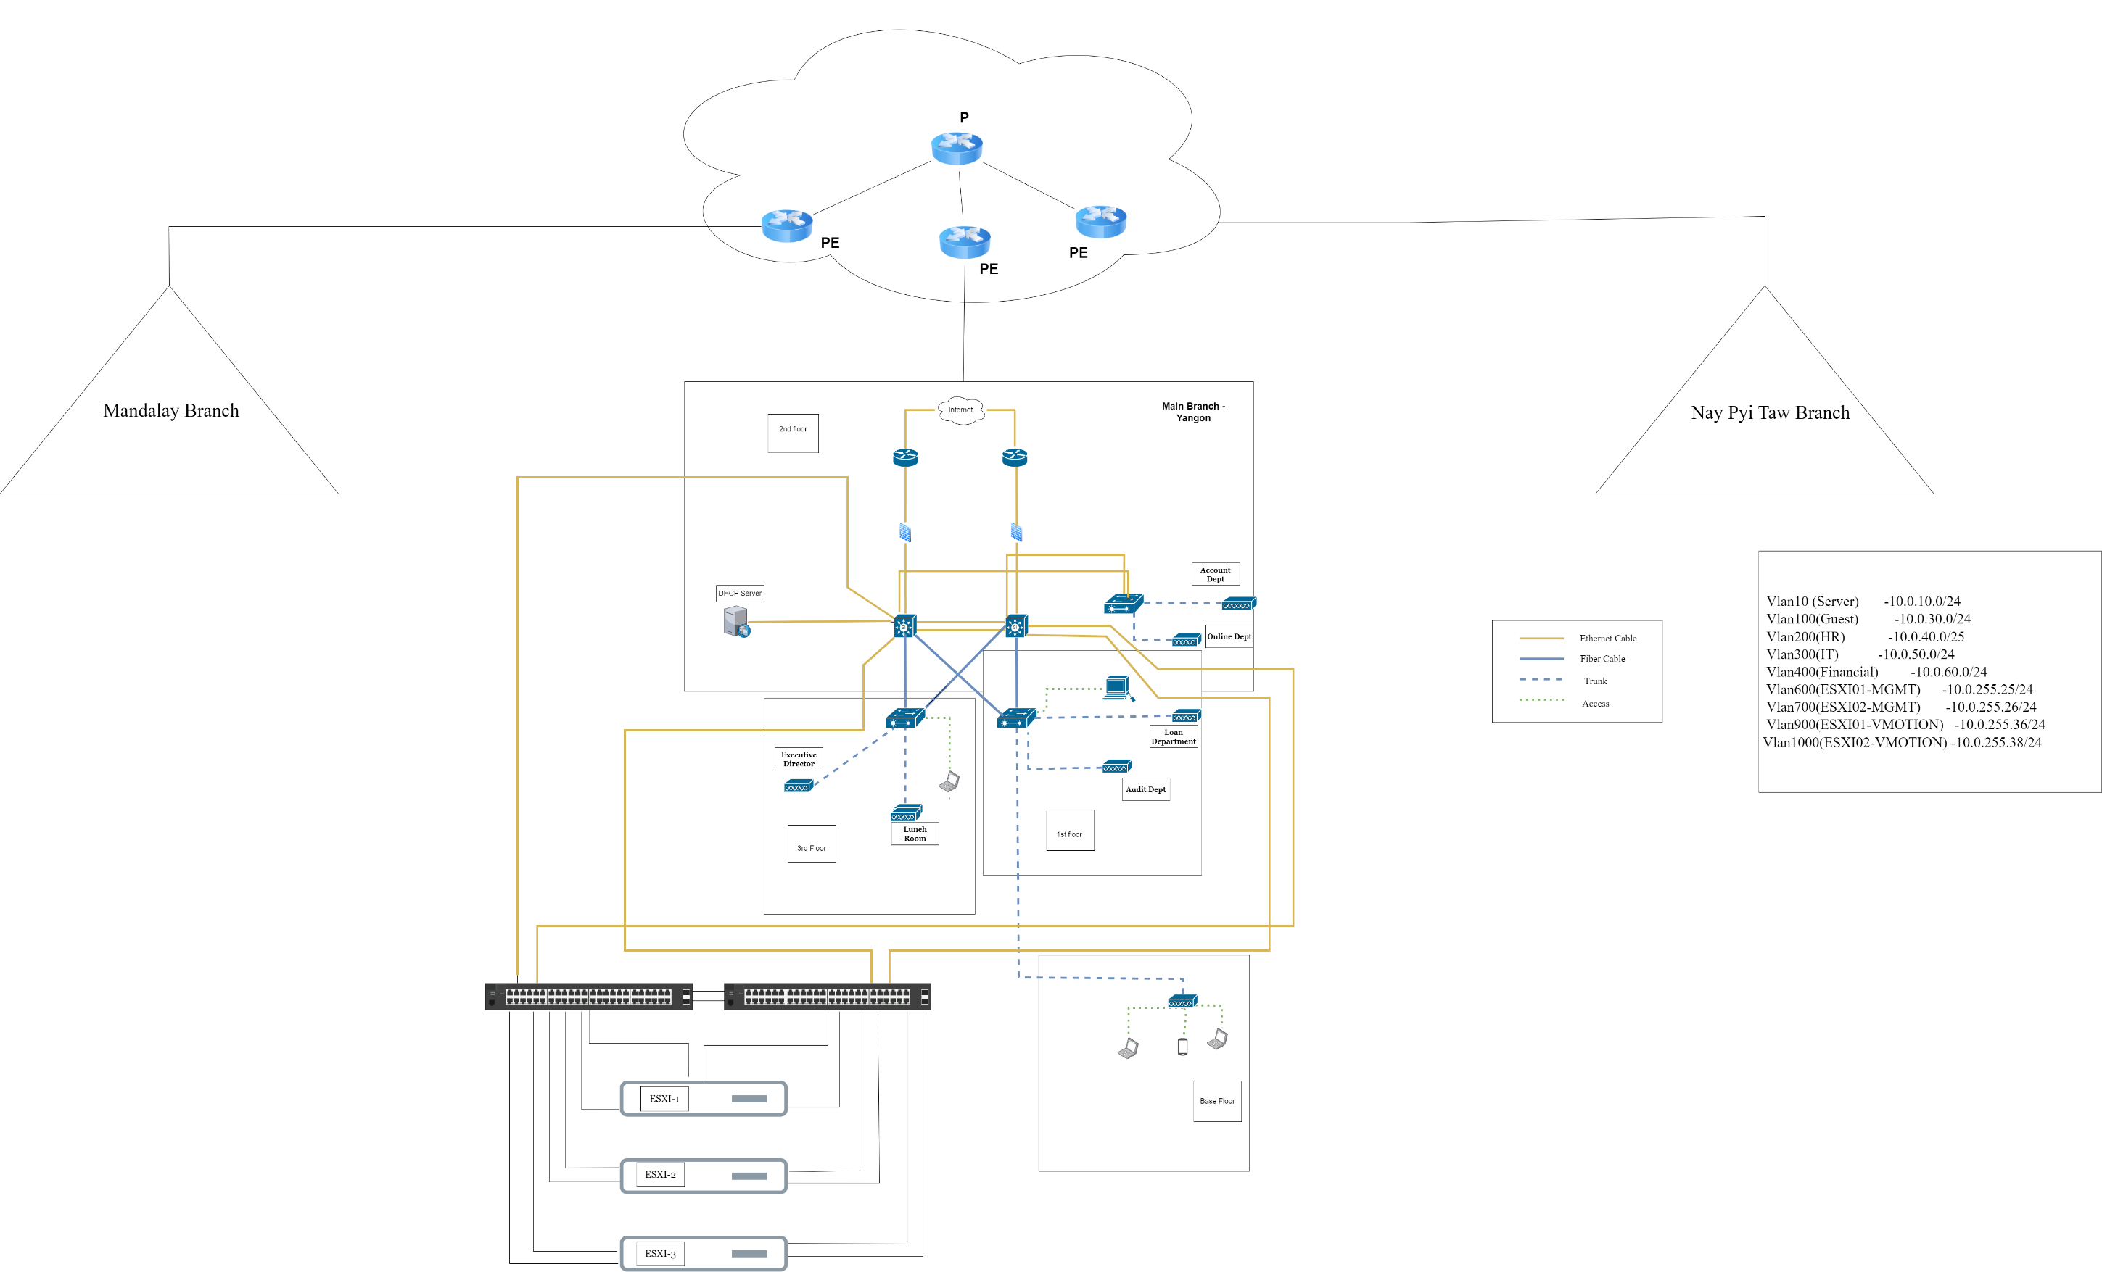

Physical Topology
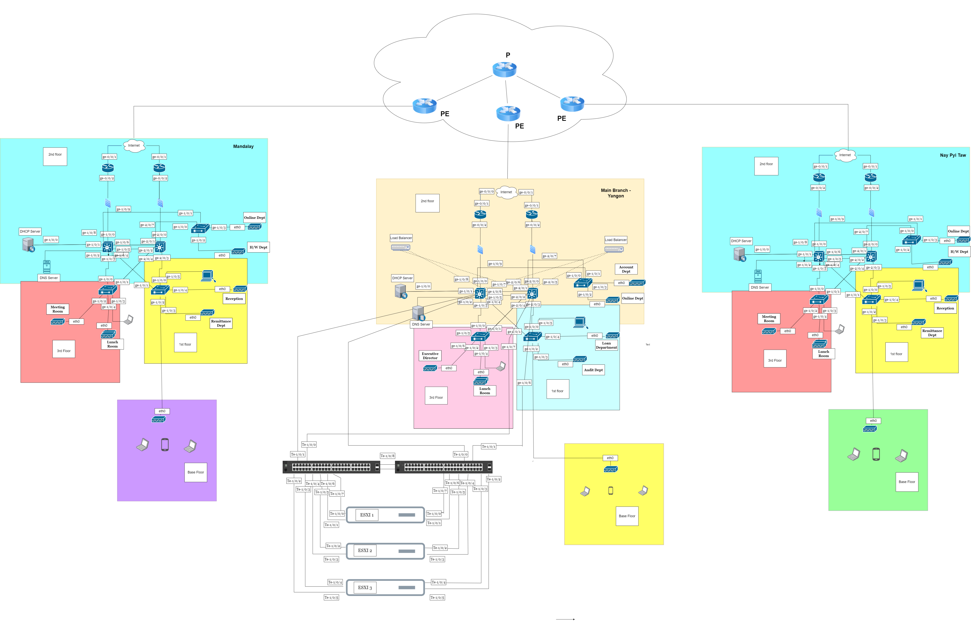

Rack Diagram
Main Rack Diagram
First Floor Rack Diagram

42 | 42
 |  | 12 | 12
41 | 41
Patch Pannel
Patch Pannel
 |  | 11 | 11
40 | 40
 |  | 10 | 10
39 | 39
Patch Pannel
Patch Pannel
 |  | 9 | 9
38 | 38
 |  | 8 | 8
Access Switch
37 | 37
Firewall fortigate 100E
 |  | 7 | 7
36 | 36
PDU
 |  | 6 | 6
Firewall fortigate 100E
35 | 35
 |  | 5 | 5
34 | 34
UPS
 |  | 4 | 4
33 | 33
Cisco ISR 4431 Router
 |  | 3 | 3
32 | 32
Cisco ISR 4431 Router
 |  | 2 | 2
Battery Pack
31 | 31
 |  | 1 | 1
30 | 30

29 | 29

Cisco Catalyst 9200-24P Switch
12U
28 | 28

27 | 27

PDU
Third Floor Rack Diagram
26 | 26

25 | 25

PowerSwitch S4048-ON
24 | 24
 |  | 12 | 12
23 | 23
PowerSwitch S4048-ON
 |  | 11 | 11
Patch Pannel
22 | 22
 |  | 10 | 10
21 | 21
 |  | 9 | 9
Patch Pannel
20 | 20
 |  | 8 | 8
19 | 19
Access Switch
 |  | 7 | 7
18 | 18
PDU
 |  | 6 | 6
17 | 17
 |  | 5 | 5
16 | 16
UPS
 |  | 4 | 4
RAID Array
15 | 15
 |  | 3 | 3
14 | 14
 |  | 2 | 2
Battery Pack
13 | 13
 |  | 1 | 1
12 | 12

11 | 11

12U
10 | 10
UPS
9 | 9

8 | 8

7 | 7

Battery Pack
6 | 6

5 | 5

4 | 4

3 | 3

2 | 2

1 | 1

42U

42U

